macbook
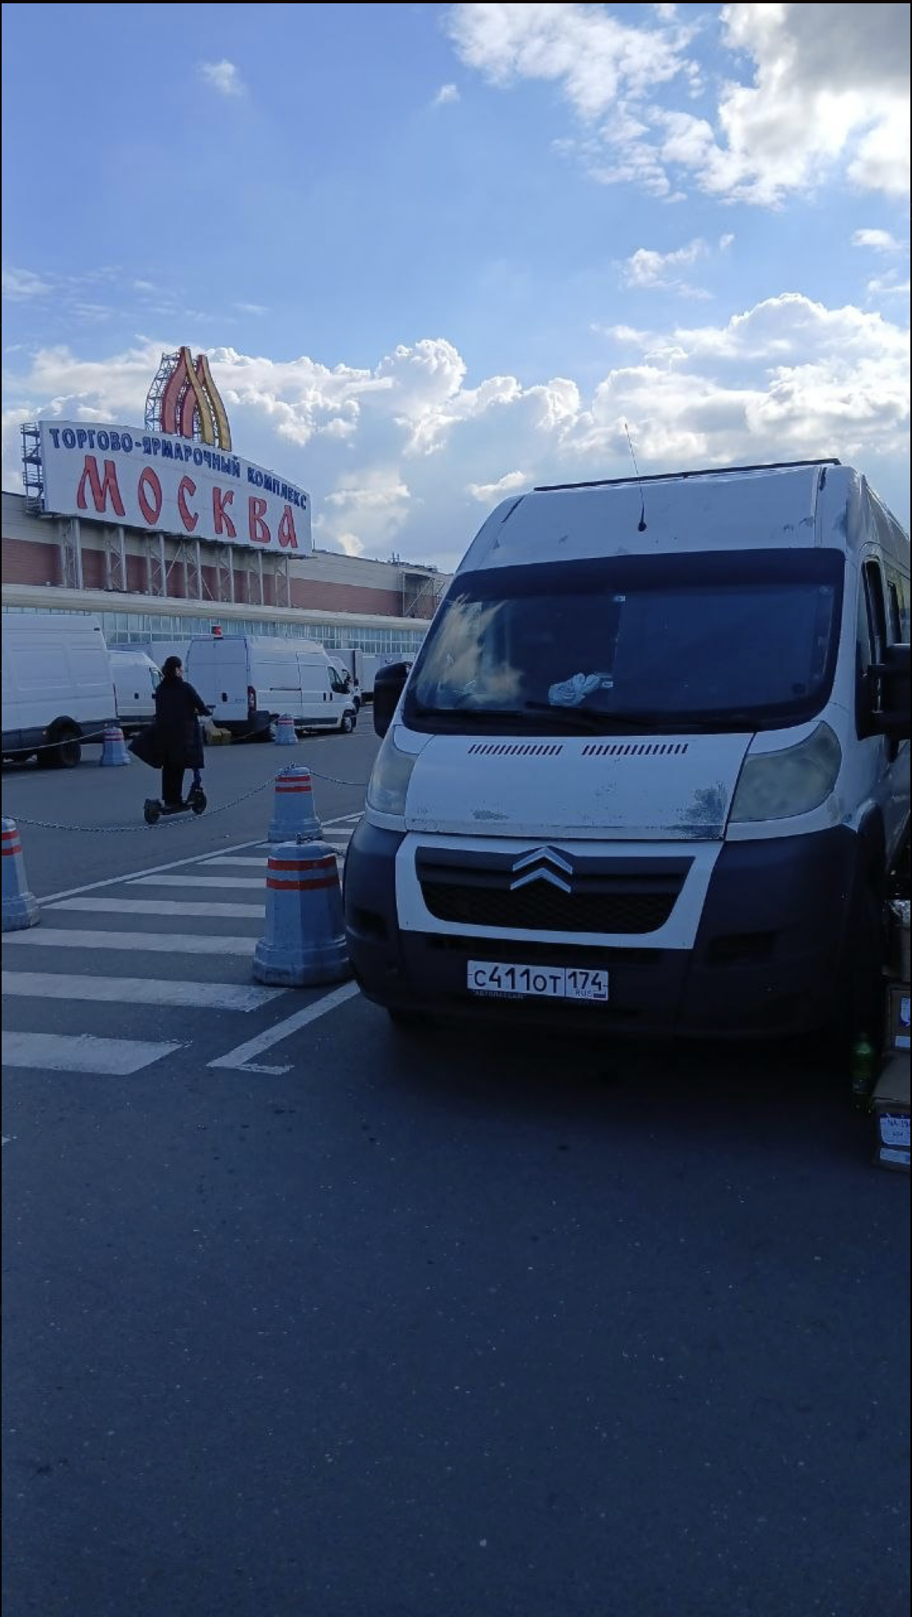
MacBook

MacBook Air 13 M1 8/256 | 56,990 ₽ | 68,388 ₽

MacBook Neo 8/256 | 63,990 ₽ | 76,788 ₽
MAcBook Neo 8/512 | 72,990 ₽ | 87,588 ₽

MacBook Air 13 M5 16/512 | 119,990 ₽ | 143,988 ₽
MacBook Air 13 M5 16/1TB | 134,990 ₽ | 161,988 ₽
MacBook Air 13 M5 24/1TB | 160,990 ₽ | 193,188 ₽

MacBook Air 15 M5 16/512 | 133,990 ₽ | 160,788 ₽
MacBook Air 15 M5 16/1TB | 158,990 ₽ | 190,788 ₽
MacBook Air 15 M5 24/1TB | 189,990 ₽ | 227,988 ₽

